Dior
SKU | Quantity | Image | Product | PRICE | RRP | EAN | Gender | Size | Frame-Color | Frame-Material | Lens-Color | Lens-Material
2001402 | 3 | 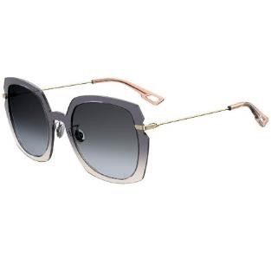 | DIOR SUNGLASSES DIORATTITUDE1 YQL 1I | 60.00 € | 370.00 € | 716736264059 | Female | 56-23-145 | Gold & Pink Crystal | Acetate & Metal | Blue, Grey & Beige | Plastic
2001400 | 1 | 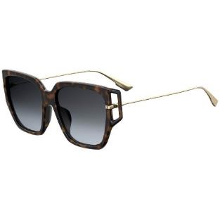 | DIOR SUNGLASSES DIORDIRECTION3F 086 1I | 60.00 € | 370.00 € | 716736216355 | Female | 58-16-156 | Havana & Gold | Acetate & Metal | Grey | Plastic
2001392 | 2 | 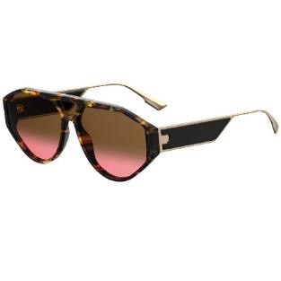 | DIOR SUNGLASSES DIORCLAN1 86 86 | 60.00 € | 370.00 € | 716736161969 | Female | 61-14-150 | Havana, Gold & Black | Acetate & Metal | Brown & Purple Gradient | Plastic
2001391 | 1 | 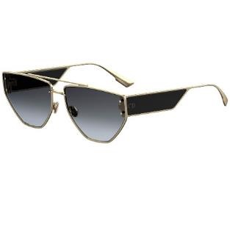 | DIOR SUNGLASSES DIORCLAN2 J5G 1I | 60.00 € | 470.00 € | 716736161655 | Female | 61-15-150 | Black & Gold | Acetate & Metal | Grey | Plastic
2001381 | 1 | 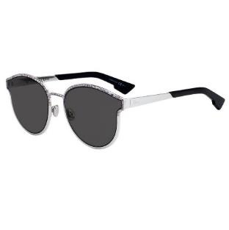 | DIOR SUNGLASSES DIORSYMMETRIC O3T 2K | 60.00 € | 390.00 € | 762753756527 | Female | 59-19-145 | Pink, Silver & Black | Acetate & Metal | Grey | Plastic
2001171 | 2 |          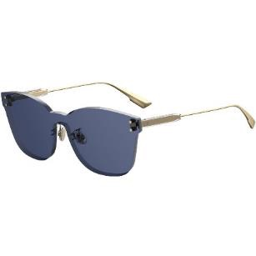 | DIOR SUNGLASSES DIORCOLORQUAKE2 PJP/KU | 60.00 € | 305.00 € | 716736123998 | Female | 99-01-145 | Gold | Metal & Acetate | Blue | Plastic
2001161 | 1 | 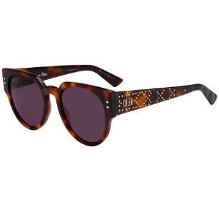 | DIOR SUNGLASSES LADYDIORSTUDS3 086/UR | 60.00 € | 390.00 € | 716736057811 | Female | 52-21-140 | Havana | Acetate | Purple | Plastic
2000930 | 1 | 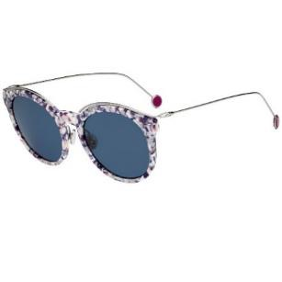 | DIOR SUNGLASSES DIORBLOSSOMF GKR | 60.00 € | 390.00 € | 762753388452 | Female | 54-19-145 | Multicolor | Metal & Acetate | Blue | Plastic
2000927 | 2 | 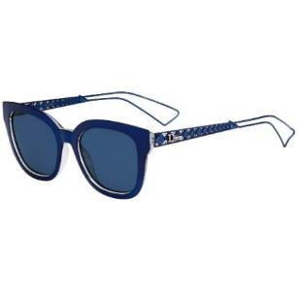 | DIOR SUNGLASSES DIORAMA1 TGV | 60.00 € | 380.00 € | 827886065790 | Female | 52-19-145 | Blue | Metal & Acetate | Blue | Plastic
2000922 | 3 | 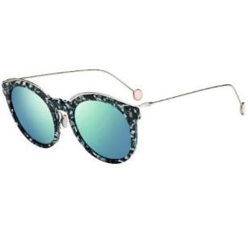 | DIOR SUNGLASSES BLOSSOM YE6 | 60.00 € | 390.00 € | 762753192028 | Female | 52-20-145 | Multicolor | Metal & Acetate | Blue | Plastic
2000843 | 3 | 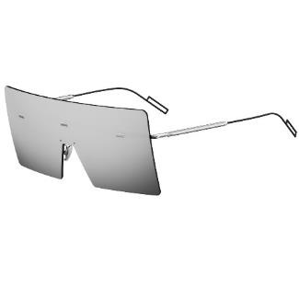 | DIOR SUNGLASSES HARDIOR 10 0T | 60.00 € | 415.00 € | 716736005034 | Male | 48-01-145 | Silver & Matt black | Metal | Grey | Plastic
2000837 | 2 | 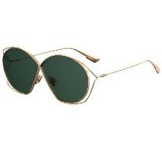 | DIOR SUNGLASSES DIORSTELLAIRE2 DDB O7 | 60.00 € | 330.00 € | 716736015422 | Female | 68-03-130 | Rose Gold | Metal | Green | Plastic
2000836 | 1 | 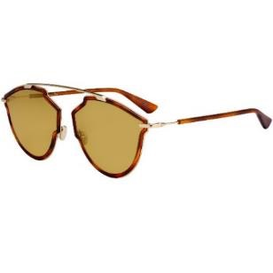 | DIOR SUNGLASSES DIORSOREALRISE 06J 70 | 60.00 € | 275.00 € | 716736051208 | Female | 58-17-145 | Gold & Havana | Metal & Acetate | Yellow | Plastic
2000835 | 1 | 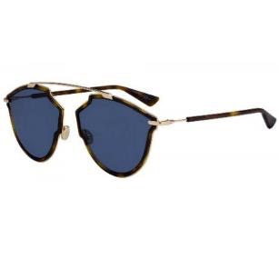 | DIOR SUNGLASSES DIORSOREALRISE QUM KU | 60.00 € | 275.00 € | 716736051239 | Female | 58-17-145 | Rose Gold & Havana | Metal & Acetate | Blue | Plastic
2000831 | 3 | 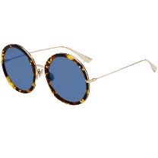 | DIOR SUNGLASSES DIORHYPNOTIC1 Y67 A9 | 60.00 € | 325.00 € | 716736106885 | Female | 56-23-145 | Havana & Gold | Metal & Acetate | Blue | Plastic
2000830 | 1 | 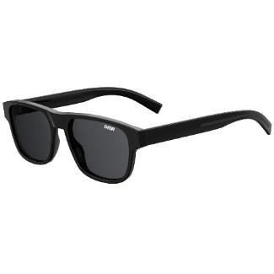 | DIOR SUNGLASSES DIORFLAG2 807 IR | 60.00 € | 365.00 € | 716736213910 | Male | 54-18-150 | Black | Acetate | Black | Plastic
2000829 | 1 | 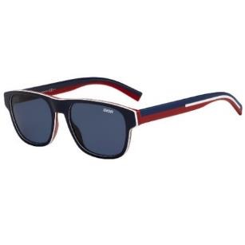 | DIOR SUNGLASSES DIORFLAG2 737 KU | 60.00 € | 365.00 € | 716736213903 | Male | 54-18-150 | Navy, Red & White | Acetate | Blue | Plastic
2000828 | 1 | 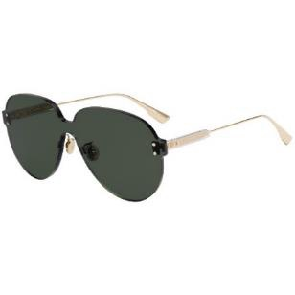 | DIOR SUNGLASSES DIORDIRECTION2 PJP 84 | 60.00 € | 225.00 € | 716736216348 | Female | 54-17-145 | Blue & Gold | Metal & Acetate | Blue & Yellow | Plastic
2000823 | 4 | 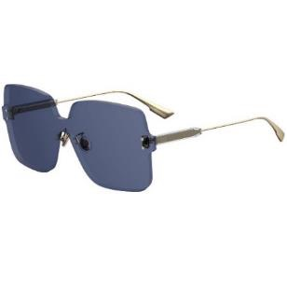 | DIOR SUNGLASSES DIORCOLORQUAKE1 PJP KU | 60.00 € | 310.00 € | 716736123967 | Female | 99-01-145 | Gold | Metal & Acetate | Blue | Plastic
2000822 | 4 | 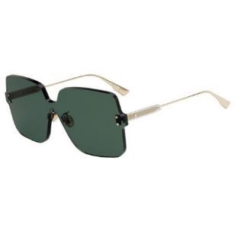 | DIOR SUNGLASSES DIORCOLORQUAKE1 1ED QT | 60.00 € | 310.00 € | 716736129280 | Female | 99-01-145 | Gold | Metal & Acetate | Green | Plastic
2000819 | 1 | 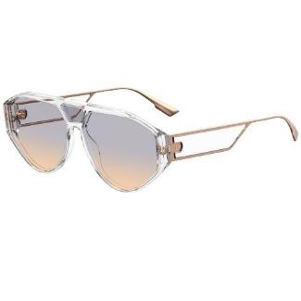 | DIOR SUNGLASSES DIORCLAN1 40G YB | 60.00 € | 310.00 € | 716736161976 | Female | 61-14-150 | Crystal Transparent & Siver | Metal & Acetate | Red & Blue | Plastic
2000818 | 4 | 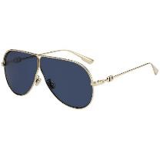 | DIOR SUNGLASSES DIORCAMP J5G A9 | 60.00 € | 240.00 € | 716736227658 | Female | 66-03-145 | Gold | Metal | Blue | Plastic
2000817 | 3 | 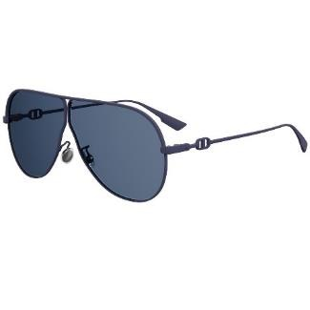 | DIOR SUNGLASSES DIORCAMP FLL A9 | 60.00 € | 240.00 € | 716736214023 | Female | 66-03-145 | Matt Navy | Metal | Blue | Plastic
2000556 | 1 | 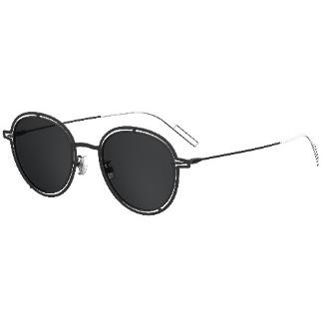 | DIOR SUNGLASSES DIOR0210S S8J Y1 | 60.00 € | 400.00 € | 762753037756 | Male | 49-22-150 | Matt Black & Silver | Metal | Black | Plastic
2000555 | 2 | 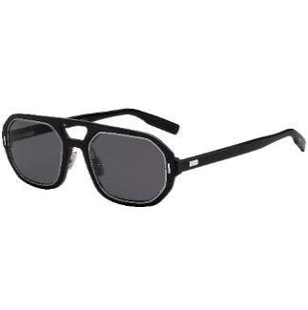 | DIOR SUNGLASSES AL13.14 RZZ IR | 60.00 € | 495.00 € | 716736102047 | Male | 54-22-150 | Matt Black & Silver | Metal & Acetate | Grey | Plastic
2000537 | 1 | 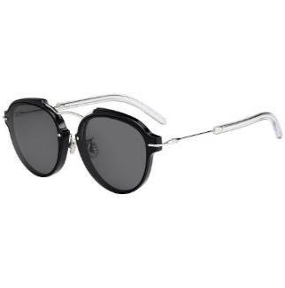 | DIOR SUNGLASSES DIORINSIDEOUT1 86 YB | 60.00 € | 320.00 € | 716736217178 | Female | 57-19-145 | Havana | Acetate | Gradient Brown & Blue | Plastic
 | 50

